Medicare and PHI Rebate
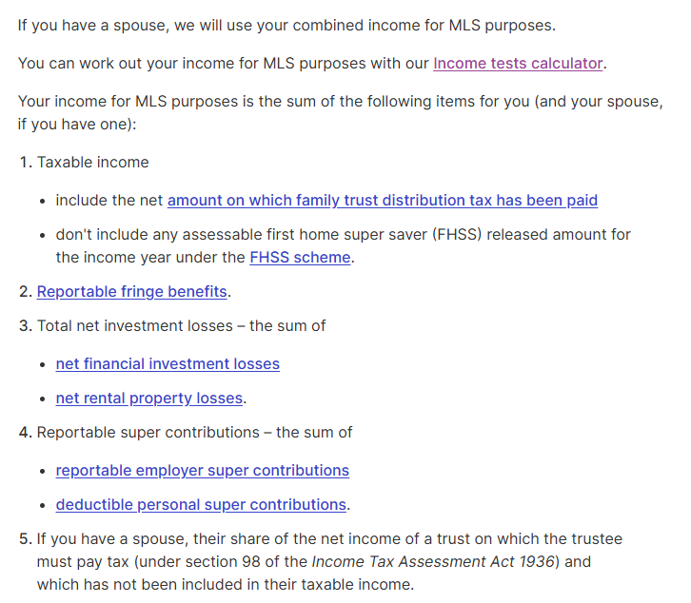
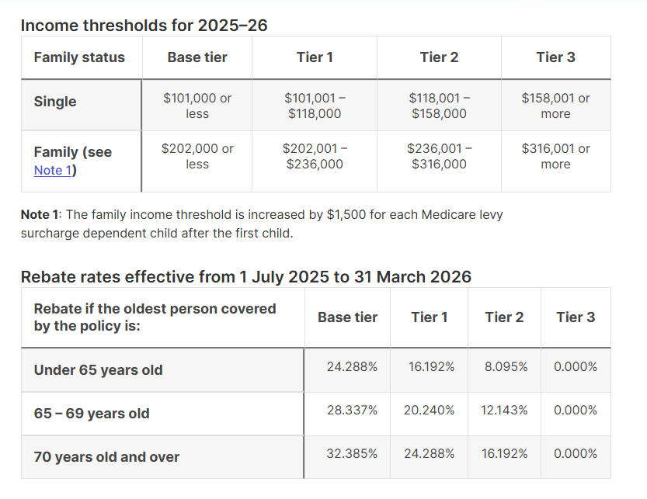

https://www.ato.gov.au/calculators-and-tools/income-tests-calculator

